Indices

 | Iraq Stock Exchange
 | Bulletin No (84)
 | ISX Trading Indices of Wednesday 13/5/2026

 | Traded Volume and OTC |  | 743,866,873 |  | Traded Value and OTC |  | 1,252,330,406 |  | Traders | 1124
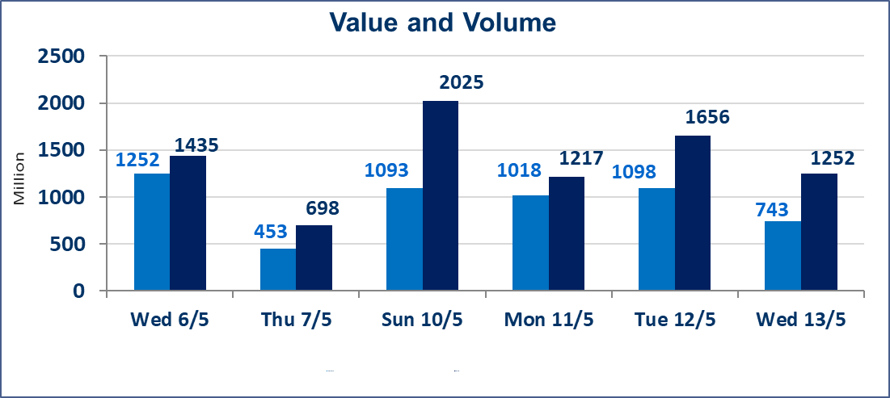
 | ISX Index 60 |  |  | 937.77 | ISX Index 15 |  |  | 1241.53
 | Previous ISX Index60 |  |  | 948.28 | Previous ISX Index15 |  |  | 1241.85
 | Change % |  |  | -1.11 | Change % |  |  | -0.03
 | Change |  |  | -10.51 | Change |  |  | -0.32

 | Listed Companies | 104 | OTC | 14 | Non Traded listed | 38 | OTC | 13
 | Traded Listed Companies | 56 | OTC | 1 | Higher Companies |  |  | 14
 | GAM Companies |  |  | 2 | Lower Companies |  |  | 23
 | Suspended Companies |  |  | 8
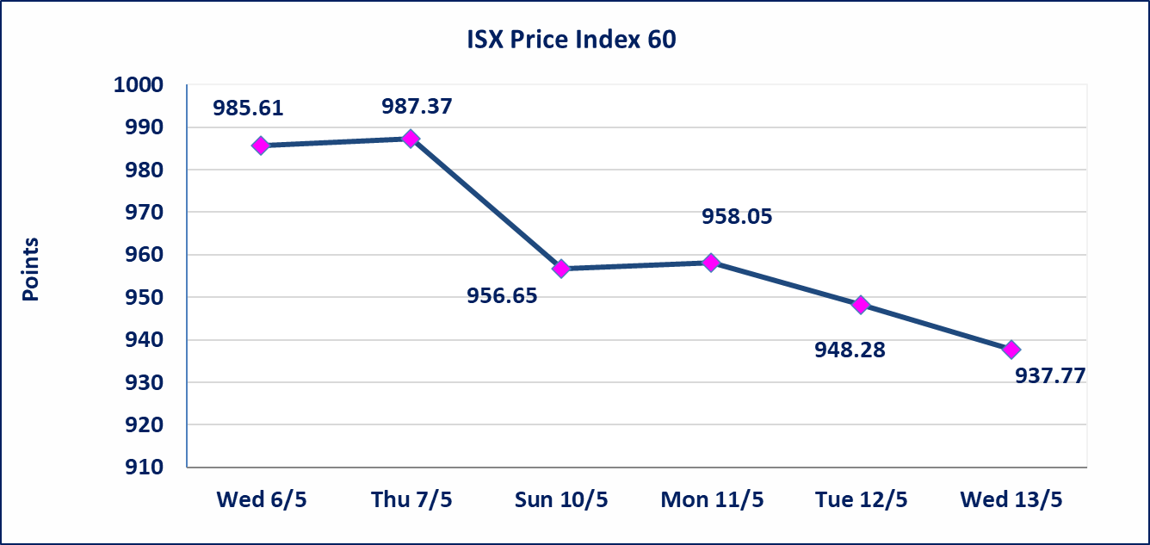
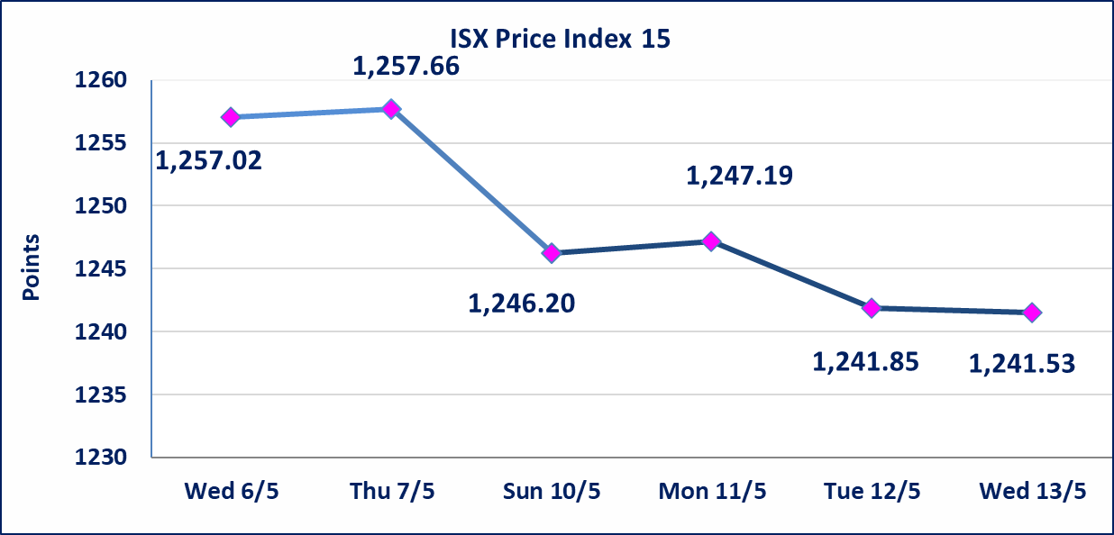

Al-Alwiya P.O . 3607 Mobile: 07711211522 - 07270094594 - 07834000034 E-mail: info-isx@isx-iq.net Web site:www.isx-iq.net

Top 5
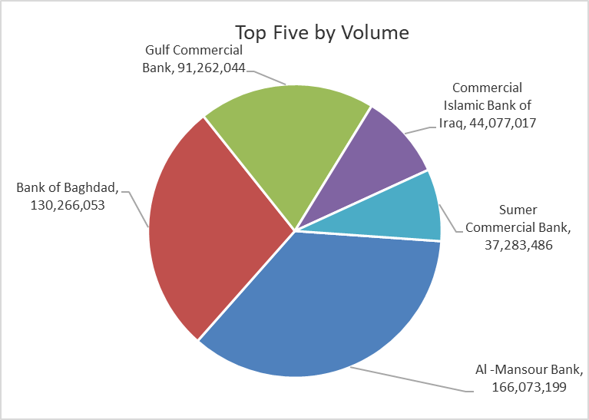
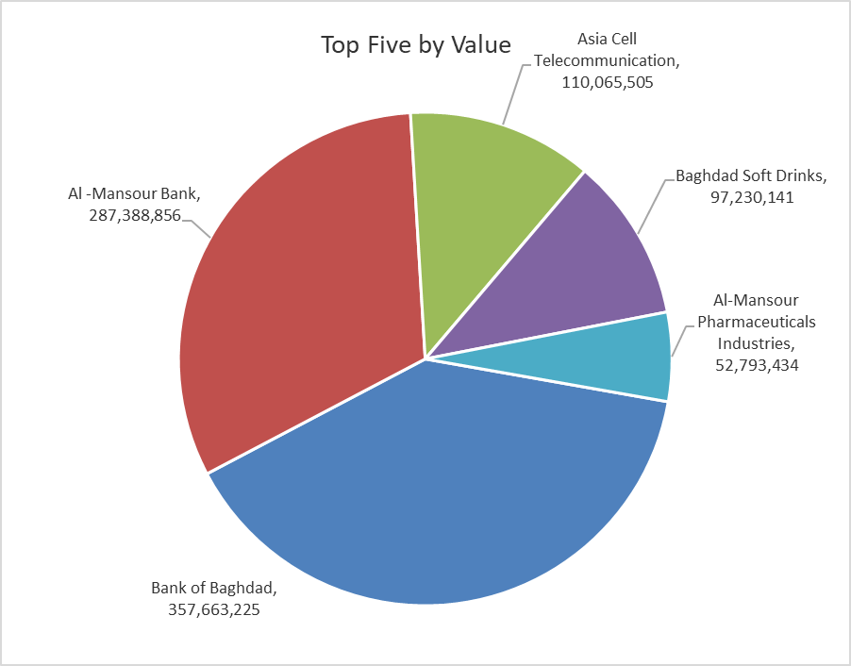

ISX top ganing and losing companies
Wednesday 13/5/2026
 | Gainers |  |  |  | Losers
 | Company Name | Closing Price | Change (%) | Traded Volume | Company Name | Closing Price | Change (%) | Traded Volume
 | Sumer Commercial Bank | 0.200 | 5.26 | 37,283,486 | Mosul Bank For Investment | 0.140 | -6.67 | 18,085,624
 | Gulf Insurance | 0.450 | 4.65 | 1,000,000 | Al-Mosul for funfairs | 7.100 | -4.83 | 500,000
 | AL-Badia for General Trans | 1.440 | 4.35 | 2,601,496 | Bank of Baghdad | 2.730 | -4.21 | 130,266,053
 | Dar Al-Salam for Insurance | 0.780 | 4.00 | 300,000 | Economy Bank | 0.230 | -4.17 | 20,046,730
 | National Furniture Industries | 0.900 | 3.45 | 66,721 | Modern Construction Materials | 1.150 | -4.17 | 9,000
 | The most active companies in term of traded volume and value

 | Traded Volume |  |  |  | Traded Value
 | Company Name | Closing Price | Change (%) | Traded Volume | Company Name | Closing Price | Change (%) | Traded Value
 | Al -Mansour Bank | 1.730 | 0.00 | 166,073,199 | Bank of Baghdad | 2.730 | -4.21 | 357,663,225
 | Bank of Baghdad | 2.730 | -4.21 | 130,266,053 | Al -Mansour Bank | 1.730 | 0.00 | 287,388,856
 | Gulf Commercial Bank | 0.340 | 0.00 | 91,262,044 | Asia Cell Telecommunication | 17.100 | 0.88 | 110,065,505
 | Commercial Islamic Bank of Iraq | 0.670 | 1.52 | 44,077,017 | Baghdad Soft Drinks | 6.180 | 0.00 | 97,230,141
 | Sumer Commercial Bank | 0.200 | 5.26 | 37,283,486 | Al-Mansour Pharmaceuticals Industries | 2.450 | 0.41 | 52,793,434

Non Iraqis

Iraq Stock Exchange
Non Iraqis' Bulletin Wednesday May 13 2026
Regular Market

Non Iraqi Trading of Regular Market (Buy)
Company Names | Code | No.of trades | Traded Shares | Trading Volume
Banks Sector
Commercial Bank of Iraq | BCOI | 2 | 14,615,310 | 9,792,258
Bank Of Baghdad | BBOB | 6 | 1,396,000 | 3,825,480
Iraqi Middle East Investment Bank | BIME | 1 | 206,245 | 18,562
National Bank Of Iraq | BNOI | 5 | 1,000,000 | 3,970,000
Al-Mansour Bank | BMNS | 1 | 2,000,000 | 3,480,000
Total Bank sector |  | 15 | 19,217,555 | 21,086,300
Industry Sector
Al-Mansour Pharmaceuticals Industries | IMAP | 1 | 50,000 | 123,000
Total Industry sector |  | 1 | 50,000 | 123,000
Hotel Sector
Mansour Hotel | HMAN | 2 | 482,805 | 22,691,835
Total Hotel Sector
Telecommunication Sector
Asia cell | TASC | 2 | 200,000 | 3,400,000
Total Telecommunication sector |  | 2 | 200,000 | 3,400,000
Grand Total |  | 20 | 19,950,360 | 47,301,135

Non Iraqi Trading of Undisclosed Platform (BUY)
Company Names | Code | No.of trades | Traded Shares | Trading Volume
Industry Sector
ELectronic Industries | IELI | 4 | 15,833,730 | 22,642,234
Total Industry sector |  | 4 | 15,833,730 | 22,642,234
Hotel Sector
Palestine Hotel | HPAL | 1 | 2,378,792 | 43,888,712
Total Hotel Sector |  | 1 | 2,378,792 | 43,888,712
Grand Total |  | 5 | 18,212,522 | 66,530,946

Not Trading Bonds

Iraq Stock Exchange
Wednesday 13/5/2026
Not Trading Bonds Bulletin
Bond type | Publish type | Code | last trading price | immortilize date
Banaa Bonds /Million ID | Second | CB20 | 964,981 | 19/12/2025
Eamar Bonds /Million ID | First | CB30 | 1,001,095 | ــــــــــــــــ
Eamar Bonds /Million ID | Second | CB40 | ــــــــــــــــ | ــــــــــــــــ
Eamar Bonds /500 Thousand ID | Third | CB45 | ــــــــــــــــ | ــــــــــــــــ
Eamar Bonds /Million ID | Third | CB50 | ــــــــــــــــ | ــــــــــــــــ
Injaz Bonds /500 Thousand ID | First | CB55 | ــــــــــــــــ | ــــــــــــــــ
Injaz Bonds /Million ID | First | CB60 | 951,110 | ــــــــــــــــ
Injaz Bonds /500 Thousand ID | Second | CB65 | 507,301 | ــــــــــــــــ
Injaz Bonds /Million ID | Second | CB70 | 965,050 | ــــــــــــــــ
Injaz Bonds /500 Thousand ID | Third | CB75 | ــــــــــــــــ | ــــــــــــــــ
Injaz Bonds /Million ID | Third | CB80 | 978,182 | ــــــــــــــــ
National Bonds/Million ID | First | CB90 | ــــــــــــــــ | ــــــــــــــــ
National Bonds/500 Thousand ID | Second | CB95 | ــــــــــــــــ | ــــــــــــــــ
National Bonds/Million ID | Second | CB100 | ــــــــــــــــ | ــــــــــــــــ

